Facture
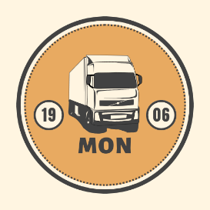 MON
Dachauer Straße 418 - 80995 Munich - MUNICH Téléphone +49 (0) 89 1580 0 Intra community VAT : DE 248 624 987
INVOICE N°87
Date : 14/12/N
INVOICE TO
Transport ROSSEL
89 rue de la Rapée 94370 SUCY-EN-BRIE
( 01 84 96 78 32 Intra community VAT : FR 07 204 107 339
ITEM DESCRIPTION | AMOUNT
Articulated four-axle truck 40T MON | 114,000.00 €
Articulated four-axle truck 40T MON | 114,000.00 €

SUB TOTAL | 228,000.00 €
VAT Rates
Additional costs
TOTAL COST DDP SUCY-EN-BRIE | 228,000.00 €
Intra-community trade taxable in France
If you have any questions regarding this invoice, please use:
contact@mon.com

Thank you for your trust in our products.

